Hiearchy View
CLASS: POWER SUPPLY
electrical device that supplies electric power to an electrical load. |  | 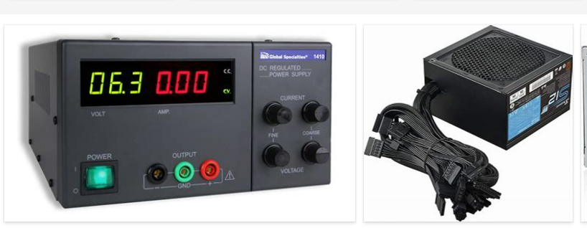
REMOVE | N

PROBLEM_DESC | CAUSE_DESC | REMEDY_DESC
BROKEN/DAMAGED
LIGHTING
OTHER PROBLEM
POWER-ELEC
SMELL
STOPPED/SLOWED/POOR OPS
TEMP-CTRL
Grand Total

